Hierarchy
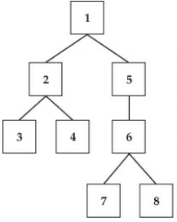
NodeKey | NodeName | ParentKey | Predecessor | Successor | Levels Removed
1 | Number01 |  | 1 | 1 | 0
2 | Number02 | 1 | 1 | 2 | 1
3 | Number03 | 2 | 1 | 5 | 1
4 | Number04 | 2 | 1 | 3 | 2
5 | Number05 | 1 | 1 | 4 | 2
6 | Number06 | 5 | 1 | 6 | 2
7 | Number07 | 6 | 1 | 7 | 3
8 | Number08 | 6 | 1 | 8 | 3
 |  |  | 2 | 2 | 0
 |  |  | 2 | 3 | 1
 |  |  | 2 | 4 | 1
 |  |  | 3 | 3 | 0
 |  |  | 4 | 4 | 0
 |  |  | 5 | 5 | 0
 |  |  | 5 | 6 | 1
 |  |  | 5 | 7 | 2
 |  |  | 5 | 8 | 2
 |  |  | 6 | 6 | 0
 |  |  | 6 | 7 | 1
 |  |  | 6 | 8 | 1
 |  |  | 7 | 7 | 0
 |  |  | 8 | 8 | 0

Hierarchy Multiple Parents
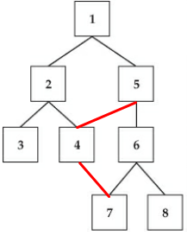
NodeKey | NodeName | ParentKey | Predecessor | Successor | Levels Removed
1 | Number01 |  | 1 | 1 | 0
2 | Number02 | 1 | 1 | 2 | 1
3 | Number03 | 2 | 1 | 5 | 1
4 | Number04 | 2 | 1 | 3 | 2
4 | Number04 | 5 | 1 | 4 | 2
5 | Number05 | 1 | 1 | 6 | 2
6 | Number06 | 5 | 1 | 7 | 3
7 | Number07 | 6 | 1 | 8 | 3
7 | Number07 | 4 | 2 | 2 | 0
8 | Number08 | 6 | 2 | 3 | 1
 |  |  | 2 | 4 | 1
 |  |  | 2 | 7 | 2
 |  |  | 3 | 3 | 0
 |  |  | 4 | 4 | 0
 |  |  | 4 | 7 | 1
 |  |  | 5 | 5 | 0
 |  |  | 5 | 4 | 1
 |  |  | 5 | 6 | 1
 |  |  | 5 | 7 | 2
 |  |  | 5 | 8 | 2
 |  |  | 6 | 6 | 0
 |  |  | 6 | 7 | 1
 |  |  | 6 | 8 | 1
 |  |  | 7 | 7 | 0
 |  |  | 8 | 8 | 0

Hierarchy Infinite Loop
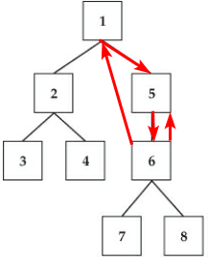
NodeKey | NodeName | ParentKey
1 | Number01
1 | Number01 | 6
2 | Number02 | 1
3 | Number03 | 2
4 | Number04 | 2
5 | Number05 | 1
5 | Number05 | 6
6 | Number06 | 5
7 | Number07 | 6
8 | Number08 | 6

